Wilcoxon test
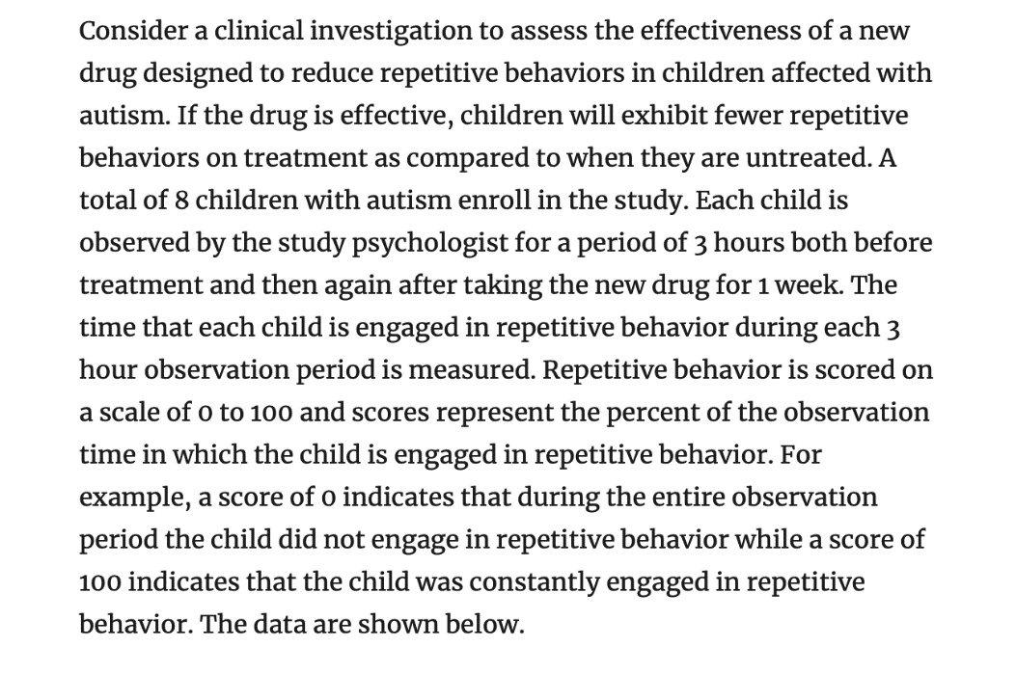
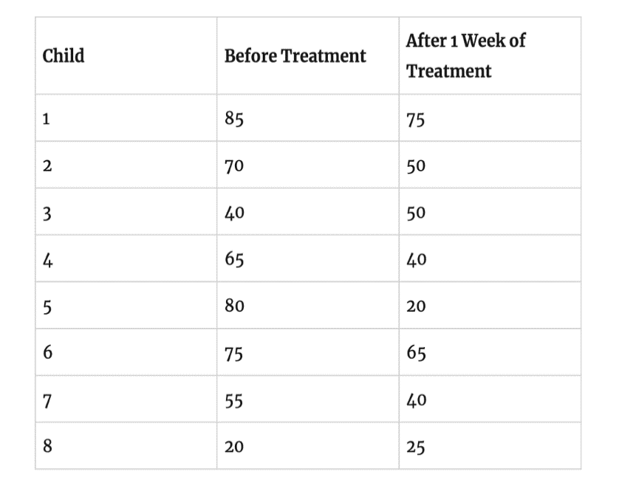
 |  |  | Before | After
 |  |  | 85 | 75
 |  |  | 70 | 50
 |  |  | 40 | 50
 |  |  | 65 | 40
 |  |  | 80 | 20
 |  |  | 75 | 65
 |  |  | 55 | 40
 |  |  | 20 | 25

Is there statistical evidence of a difference in observations before and after?

 | Conclusion: | No, the statistical change is not signifcant.
 |  | In other words, this study does not show efficncy evidence of the treatment.

Mann-Whitney_1
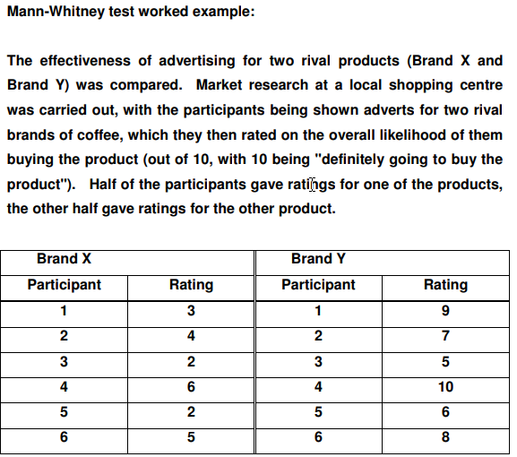
 | Brand X | Brand Y
 | 3 | 9
 | 4 | 7
 | 2 | 5
 | 6 | 10
 | 2 | 6
 | 5 | 8
 | 3.6666666667 | 7.5
 | Samples are independent in this case => the Mann Whitney test should be applied

 | https://www.socscistatistics.com/tests/what_stats_test_wizard.aspx
 | https://www.socscistatistics.com/tests/mannwhitney/default2.aspx

May we conclude that one of these brands is better than the other?
Yes, we may conclude one brand better than others.
This study has evidence of difference between brands.

Mann-Whitney_2
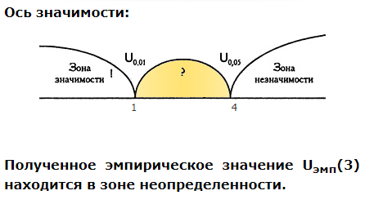
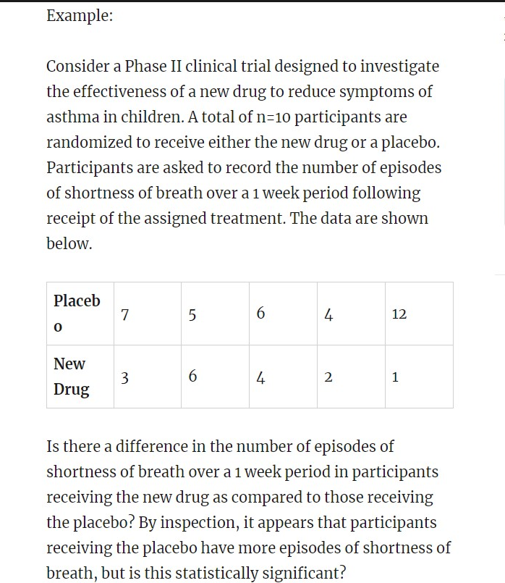
 |  | Samples are independent in this case => the Mann Whitney test should be applied

 |  | https://www.socscistatistics.com/tests/what_stats_test_wizard.aspx
 |  | https://www.socscistatistics.com/tests/mannwhitney/default2.aspx

7 | 3
5 | 6
6 | 4
4 | 2
12 | 1

Mann-Whitney_3
Usual | New
8 | 9
7 | 9
6 | 7
2 | 8
5 | 10
8 | 9
7 | 6
3

5.75 | 8.2857142857 | 144.09937888

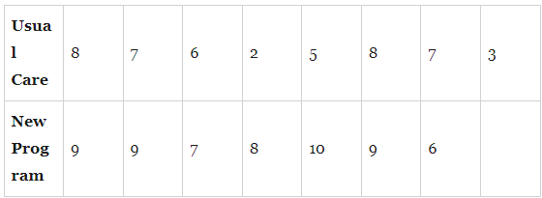

Conclusion: Yes, this study shows that the New approach statistically is more sfficient than the Traditional.

Лист1
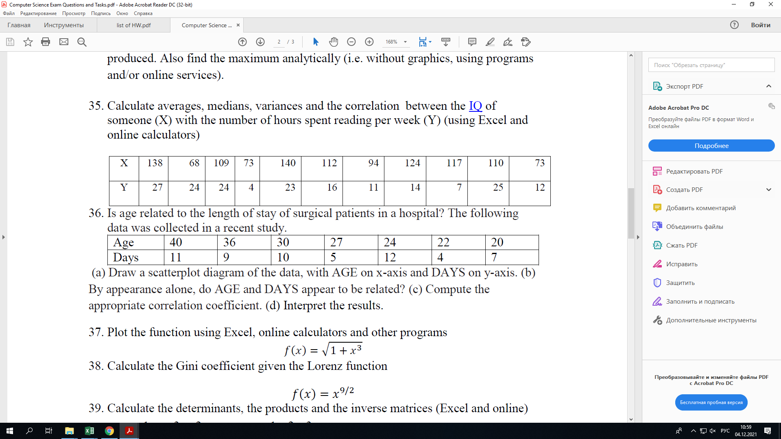

 | X | Y
 | 138 | 27
 | 68 | 24
 | 109 | 24
 | 73 | 4
 | 140 | 23
 | 112 | 16
 | 94 | 11
 | 124 | 14
 | 117 | 7
 | 110 | 25
 | 73 | 12
average
median
variances
correlation
 |  | r = 0.3979
 |  | https://www.statskingdom.com/correlation-calculator.html

